Foaie1
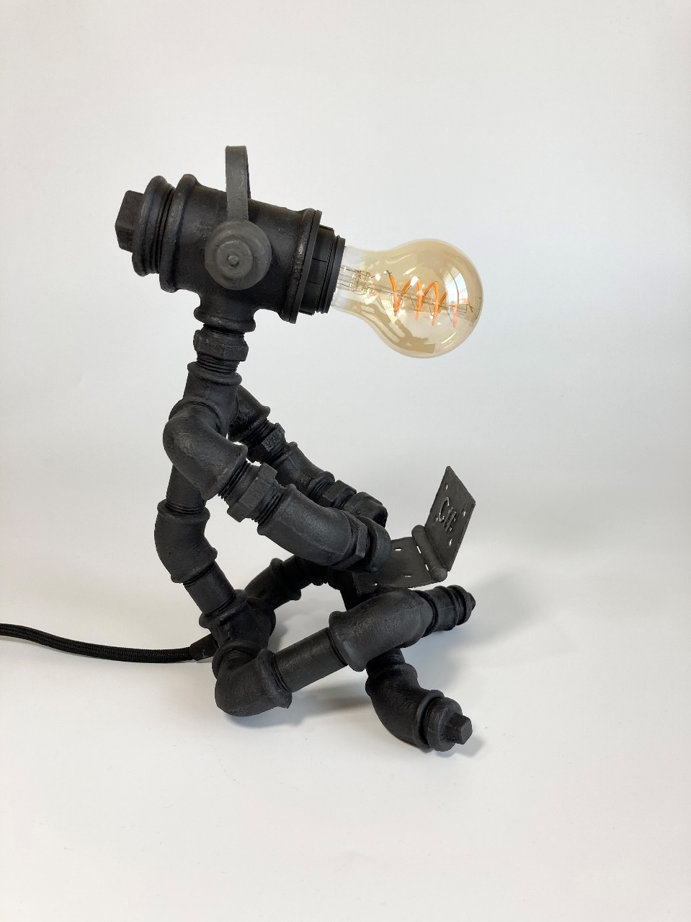
 | The Programmer
Nr. | Denumire Produs | Bucati | Pret Bucata | Pret
1 | Niplu 1/2 | 5 | 2.10 lei | 10.50
2 | Stut filetat 8 1/2 | 1 | 4.00 lei | 4.00
3 | Stut filetat 10 1/2 | 1 | 4.50 lei | 4.50
4 | Stut filetat 4 1/2 | 1 | 3.00 lei | 3.00
5 | Stut filetat 5 1/2 | 2 | 3.60 lei | 7.20
6 | Stut filetat 6 1/2 | 1 | 2.50 lei | 2.50
7 | Cot Fi-Fi 1/2 | 2 | 2.00 lei | 4.00
8 | Cot Fi-Fi 1/2 45 | 5 | 3.00 lei | 15.00
9 | Cot Fi-Fe 1/2 | 4 | 2.60 lei | 10.40
10 | Teu 1/2 | 1 | 3.00 lei | 3.00
11 | Cruce 1/2 | 1 | 10.00 lei | 10.00
12 | Capac 1/2 | 4 | 2.00 lei | 8.00
13 | Teu redus 5/4 la 1/2 | 1 | 15.00 lei | 15.00
14 | Dop 5/4 | 1 | 4.50 lei | 4.50
15 | Dop 1/2 | 2 | 1.80 lei | 3.60
16 | Balama laptop | 1 | 6.00 lei | 6.00
17 | piulite rotunde | 2 | 2.50 lei | 5.00
18 | tabla casti | 1 | 2.00 lei | 2.00
19 | Buton pe cablu | 1 | 10.00 lei | 10.00
20 | Cablu negru | 1.5 | 11.00 lei | 16.50
21 | Dulie + PIULITA | 1 | 4.00 lei | 4.00
22 | Opritor fir + piulita | 1 | 4.00 lei | 4.00
23 | Stecher | 1 | 5.00 lei | 5.00
24 | Cablu alb | 1 | 2.00 lei | 2.00
25 | Grund | 1 | 20.00 lei | 20.00
26 | Vopsea+ceara | 1 | 20.00 lei | 20.00
27 | Lipici+cositor+banda+pensula | 1 | 15.00 lei | 15.00
28 | Ambalaj | 1 | 20.00 lei | 20.00
 |  |  |  |  | TOTAL
 | Dimensiuni: | CM |  |  | 234.7

 | Lungime: | 20 |  |  | PRET
 | Latime: | 18 |  |  | 409 lei
 | Inaltime: | 29

